AT AGLANCE
Symbol | Function | Symbol | Function
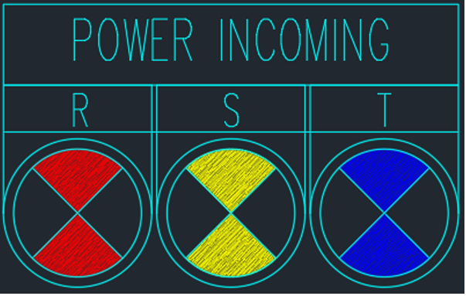 | Indicator lights “Red”, “Yellow” and “Blue” turn on when power supply is available |  | Indicator lights “Red”, “Yellow” and “Blue” turn on when power supply is available
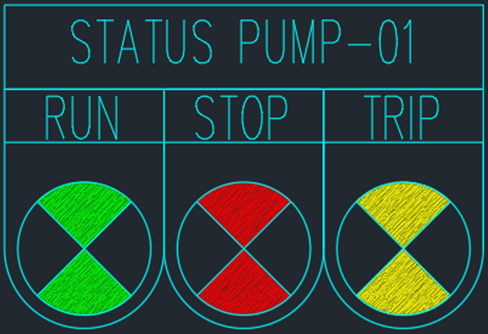 | • Indicator light “Green” turns on when Pump 1 is running. |  | • Indicator light “Green” turns on when Pump 1 is running.
 | • Indicator light “Red” turns on when Pump 1 stops running. |  | • Indicator light “Red” turns on when Pump 1 stops running.
 | • Indicator light “Yellow” turns on when a fault occurs on Pump 1 |  | • Indicator light “Yellow” turns on when a fault occurs on Pump 1
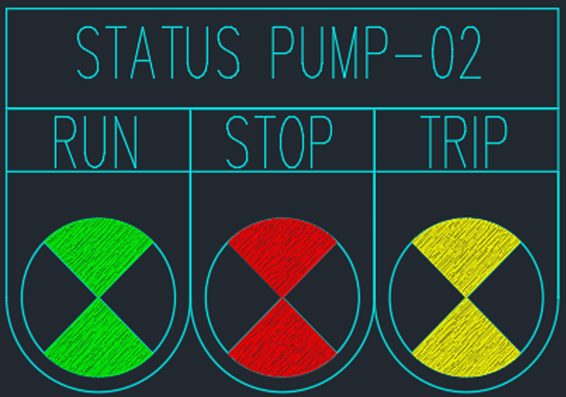 | • Indicator light “Green” turns on when Pump 2 is running. |  | • Indicator light “Green” turns on when Pump 2 is running.
 | • Indicator light “Red” turns on when Pump 2 stops running. |  | • Indicator light “Red” turns on when Pump 2 stops running.
 | • Indicator light “Yellow” turns on when a fault occurs on Pump 2 |  | • Indicator light “Yellow” turns on when a fault occurs on Pump 2
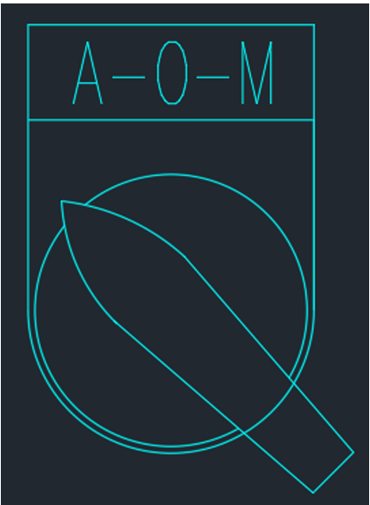 | Selectors switch to 3 positions. |  | Selectors switch to 3 positions.
 | • Position “Au”: Pump 1 and Pump 2 are controlled automatically following conditions set by client. |  | • Position “Au”: Pump 1 and Pump 2 are controlled automatically following conditions set by client.
 | • Position “M”: Pump 1 and Pump 2 are controlled manually and separately with selector switch 2 positions. |  | • Position “M”: Pump 1 and Pump 2 are controlled manually and separately with selector switch 2 positions.
 | • Position “O”: Pump 1 and Pump 2 are forced to stop |  | • Position “O”: Pump 1 and Pump 2 are forced to stop

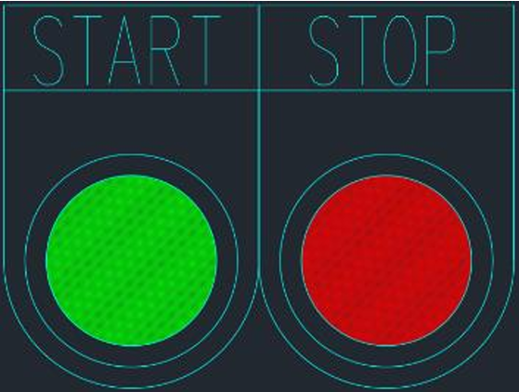 | • Button “Stop”: Stop Pump (Pump 1 or Pump 2) |  | • Button “Stop”: Stop Pump (Pump 1 or Pump 2)
 | • Button “Stop”: Stop Pump (Pump 1 or Pump 2) |  | • Button “Stop”: Stop Pump (Pump 1 or Pump 2)
 | SUCTION TANK |  | SUCTION TANK
 | • Indicator light “Low Level” turns on when the water level in the tank reaches low level (Suction Tank) |  | • Indicator light “Low Level” turns on when the water level in the tank reaches low level (Suction Tank)
 | ELEVATED TANK |  | ELEVATED TANK
 | • Indicator light “High Level” turns on when the water level in the tank reaches full tank |  | • Indicator light “High Level” turns on when the water level in the tank reaches full tank
 | ELEVATED TANK |  | ELEVATED TANK
 | • Indicator light “Empty Level” turns on when the water level in the tank reaches low tank (Roof Tank) |  | • Indicator light “Empty Level” turns on when the water level in the tank reaches low tank (Roof Tank)
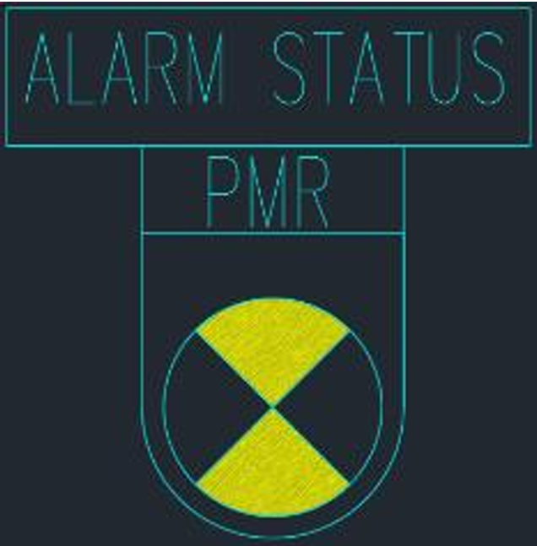
 | • Indicator light “PMR” turns on when the loss phases, over-under voltage. |  | • Indicator light “PMR” turns on when the loss phases, over-under voltage.

